10.1 2 pop means stdevss known
The excel output is mislabed. What it really is: one-tail p-value (upper-tail if z > 0, lower-tail if z < 0)
So in this case it is upper tail and should really be P(Z>=z)
But we are using the two tail anyway for this hypothesis.
Following the usual rule to reject Ho if p-value<= α,
we therefore do not reject Ho. at a =0.05
Ho: Ha: μ1 -μ1 =0
Ha: μ2- μ2 does not equal 0
Centre A | Centre B | variance A | 100
97 | 64 | variance B | 100
95 | 85 | Hypothesized mean difference Do | 0
89 | 72
79 | 64
78 | 74 | z-Test: Two Sample for Means
87 | 93
83 | 70 |  | Centre A | Centre B
94 | 79 | Mean | 82 | 78
76 | 79 | Known Variance | 100 | 100
79 | 75 | Observations | 30 | 40
83 | 66 | Hypothesized Mean Difference | 0 |  | left tail | right tail
84 | 83 | z | 1.6561573424 |  | area to the left of z | area to the right | 2 tail
76 | 74 | P(Z<=z) one-tail | 0.048844979673 |  | 0.95115502033 | 0.048844979673 | 0.097689959346
82 | 70 | z Critical one-tail | 1.644853627
85 | 82 | P(Z<=z) two-tail | 0.097689959346
85 | 82 | z Critical two-tail | 1.9599639845
91 | 75
72 | 78
86 | 99
70 | 57
91 | 91
82 | 78
73 | 87
96 | 93
64 | 89
74 | 79
88 | 84
88 | 65
60 | 78
73 | 66
 | 84
 | 85
 | 85
 | 84
 | 59
 | 62
 | 91
 | 83
 | 80
 | 76

10.2 pop mean, stdev unkown 2ta
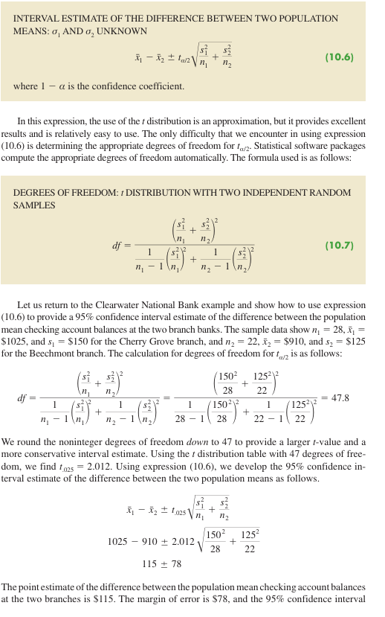
Cherry Grove | Beechmont
1263 | 997 | sample stdev cherry | 150.0
897 | 897 | sample stdev beechmont | 125.0
The excel output is mislabed. What it really is: one-tail p-value (upper-tail if z > 0, lower-tail if z < 0)
So in this case it is upper tail and should really be P(T>=test statistic).
849 | 912
891 | 895
964 | 785 | t-Test: Two-Sample Assuming Unequal Variances
Following the usual rule to reject Ho if p-value<= α,
we therefore do reject Ho at a =0.05
Ho: Ha: μ1 -μ1 =0
Ha: μ2- μ2 does not equal 0
810 | 751
877 | 882 |  | Cherry Grove | Beechmont
899 | 1110 | Mean | 1025 | 909.98636364
847 | 907 | Variance | 22500.296296 | 15626.005996
1070 | 1226 | Observations | 28 | 22
1252 | 762 | Hypothesized Mean Difference | 0
920 | 836 | df | 48
1256 | 1048 | t Stat | 2.9560188108 |  | left tail | Right tailed | 2 tail
1196 | 774 | P(T<=t) one-tail | 0.0024100954409 |  | 0.99758990456 | 0.0024100954409 | 0.0048201908818
1150 | 807 | t Critical one-tail | 1.6772241961
1024 | 972 | P(T<=t) two-tail | 0.0048201908818
1016 | 980 | t Critical two-tail | 2.0106347576
1126 | 877
1289 | 943
1220 | 993
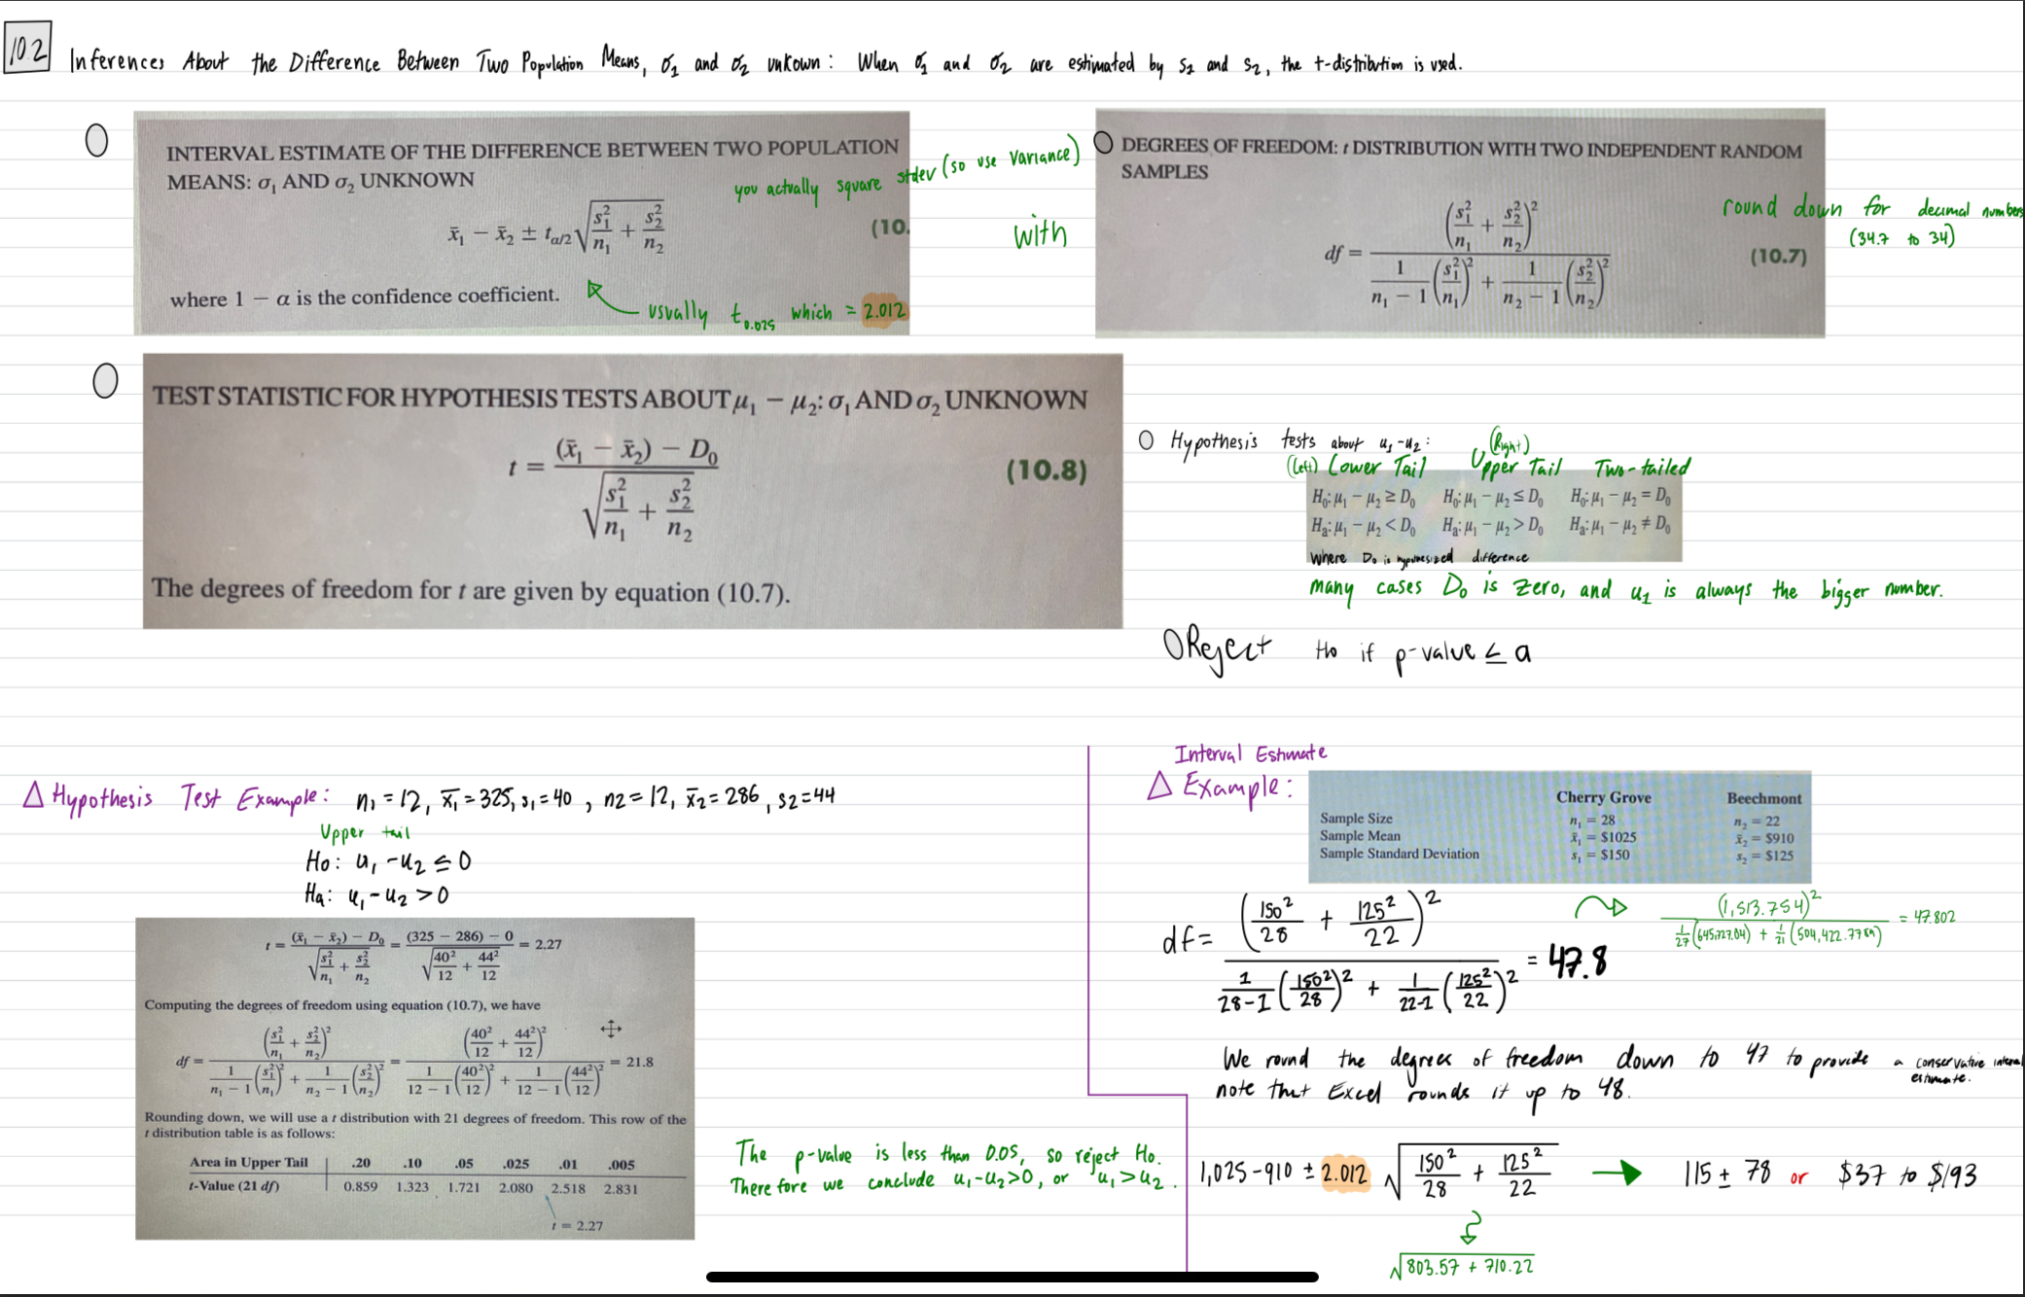
912 | 704
1026 | 963
786
989
1133
990
999
1049

stdev unknown upper tail
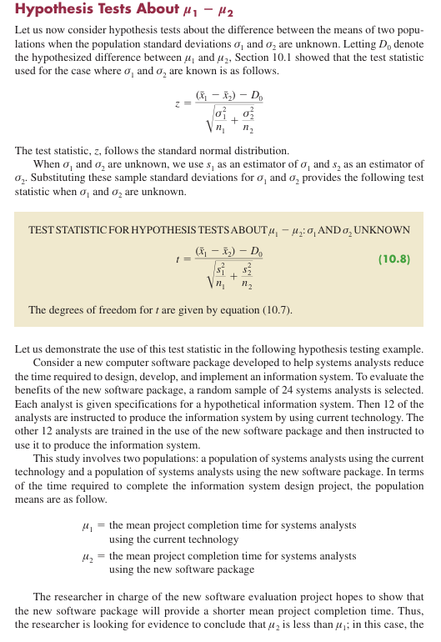
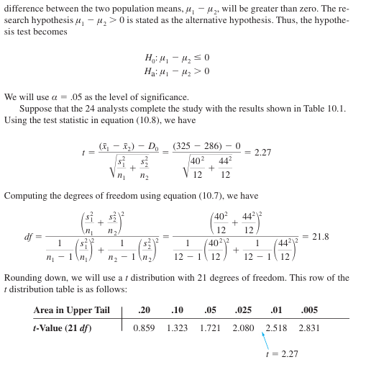
Ho: Ha: μ1-μ2<= 0 or u2 is bigger than u1
Ha: u1-u2>0 or u1 is bigger than u2.
Following the usual rule to reject Ho if p-value<= α,
We do reject Ho.
With an upper tail test, the p-value is the area in the upper tail to the right of t =2.27. The p value is 0.017. Thus, the p-value is less than α =0.05 and H0 is rejected. The sample results enable the researcher to conclude that μ1 μ2 0, or μ1 μ2. Thus, the research study supports the conclusion that the new soft ware package provides a smaller population mean completion time.
Current | New
300 | 274
280 | 220
344 | 308
385 | 336
372 | 198 | t-Test: Two-Sample Assuming Unequal Variances
360 | 300
288 | 315 |  | Current | New
321 | 258 | Mean | 325 | 286
376 | 318 | Variance | 1599.6363636 | 1935.8181818
290 | 310 | Observations | 12 | 12
301 | 332 | Hypothesized Mean Difference | 0
283 | 263 | df | 22
 |  | t Stat | 2.2721269924 |  | left tail | Right tailed | 2 tail
 |  | P(T<=t) one-tail | 0.017 |  | 0.98339781455 | 0.017 | 0.033204370891
 |  | t Critical one-tail | 1.7171443744
 |  | P(T<=t) two-tail | 0.033204370891
 |  | t Critical two-tail | 2.0738730679

10.4 pop proportions difference
p̅1 | 0.14 | n1 | 250
p̅2 | 0.09 | n2 | 300

 |  |  |  |  | Two tail | upper tail | left tail
p̅ | 0.11272727273 |  | Z test stat | 1.85 | 0.064864726857 | 0.0324323634285370 | 0.96756763657

Reject Ho if p value <=a

